timer
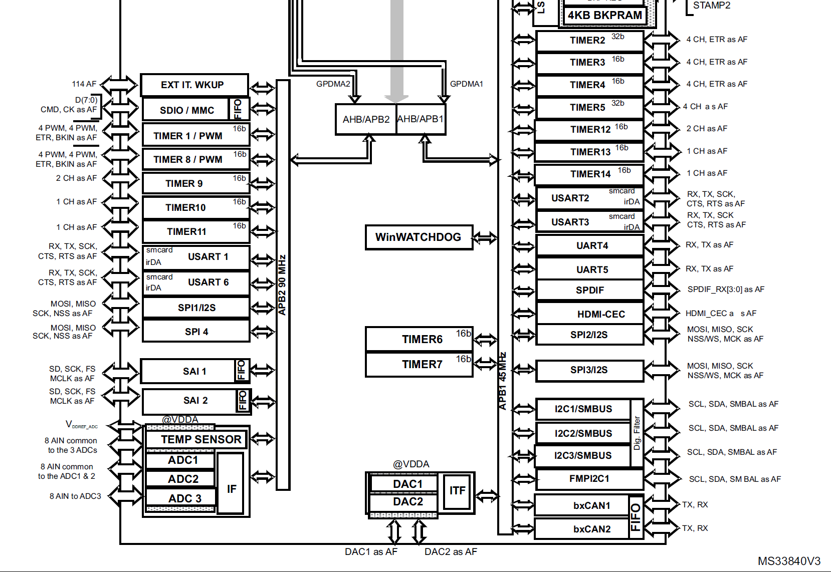
 | Peripheral | timer |  | MCLK
APB1 | 32.00MHz | 64.00MHz |  | 16.166666667
APB2 | 64.00MHz | 128.00MHz

 | TIM1 | TIM2 | TIM3 | TIM4 | TIM5 | TIM6 | TIM7 | TIM8 | TIM9 | TIM10 | TIM11 | TIM12 | TIM13 | TIM14
APB | APB2 | APB1 | APB1 | APB1 | APB1 | APB1 | APB1 | APB2 | APB2 | APB2 | APB2 | APB1 | APB1 | APB1
BIT | 16 | 32 | 16 | 16 | 32 | 16 | 16 | 16 | 16 | 16 | 16 | 16 | 16 | 16
Purpose | RTOS clock | vsync |  |  |  |  |  |  |  |  |  | buzzer
Base Freq | 128.00MHz | 64.00MHz | 64.00MHz | 64.00MHz | 64.00MHz | 64.00MHz | 64.00MHz | 128.00MHz | 128.00MHz | 128.00MHz | 128.00MHz | 64.00MHz | 64.0MHz | 64.0MHz
Precaler | 0 | 0 | 0 | 0 | 0 | 0 | 0 | 0 | 0 | 0 | 0 | 89 | 0 | 0
Period | 0 | 639999 | 0 | 0 | 0 | 0 | 0 | 0 | 0 | 0 | 0 | 3866 | 0 | 0
MHz | 128 | 0.0001 | 64 | 64 | 64 | 64 | 64 | 128 | 128 | 128 | 128 | 0.0001838921932 | 64 | 64
kHz | 128000 | 0.1 | 64000 | 64000 | 64000 | 64000 | 64000 | 128000 | 128000 | 128000 | 128000 | 0.1838921932 | 64000 | 64000
Hz | 128000000 | 100 | 64000000 | 64000000 | 64000000 | 64000000 | 64000000 | 128000000 | 128000000 | 128000000 | 128000000 | 183.8921932 | 64000000 | 64000000

